App Size Analysis Image
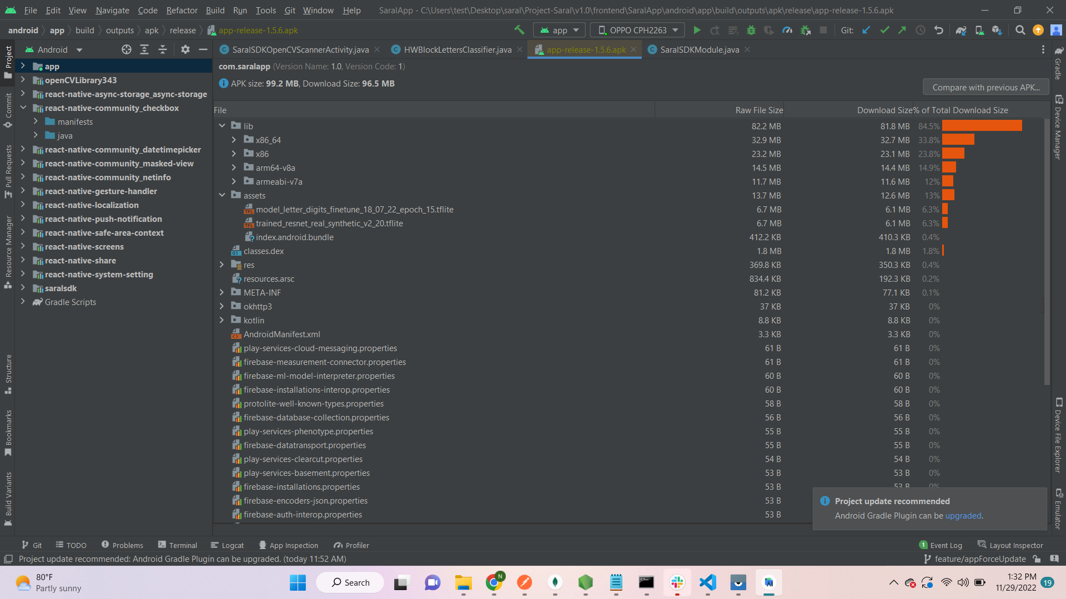

Analysis
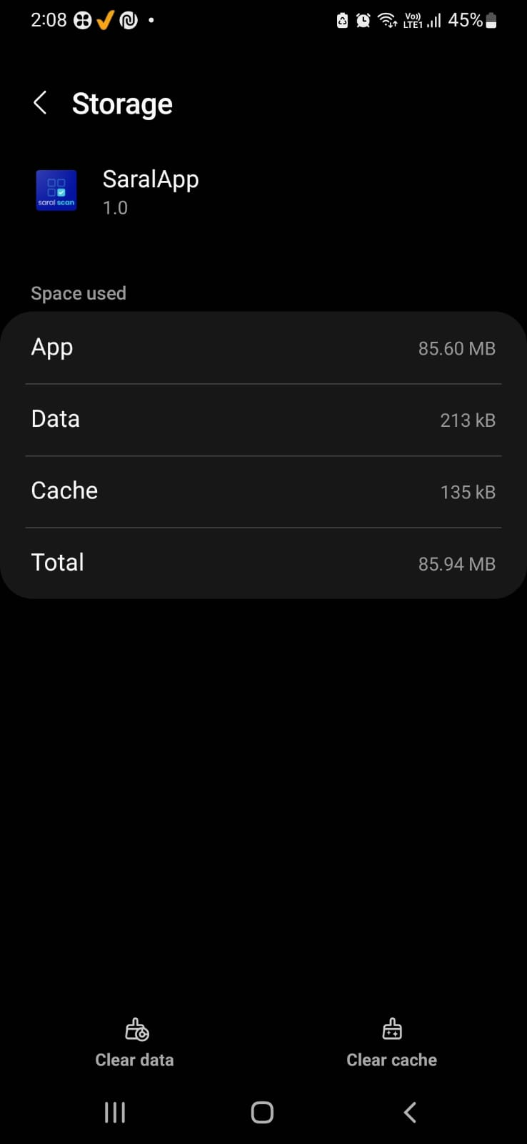
Architecture | Library | Size |  | Architecture Specific APK total Size
armeabi-v7a | libopencv_java3.so | 5.4 | MB | 30.9
x86 | libopencv_java3.so | 15.7 | MB | 43
arm64-v8a | libopencv_java3.so | 7 | MB | 33.8
x86_64 | libopencv_java3.so | 24.7 | MB | 53.1

Need to analyze why publishing AAB to playstore downloading 90+ MB during installation. Where as Architecture specific APK installation show above Size. Need to explore settings.

UP Saral App published by Technosys as AAB file. App Size = 66.20 MB , Data = 41.85 MB , Cache = 111 KB.
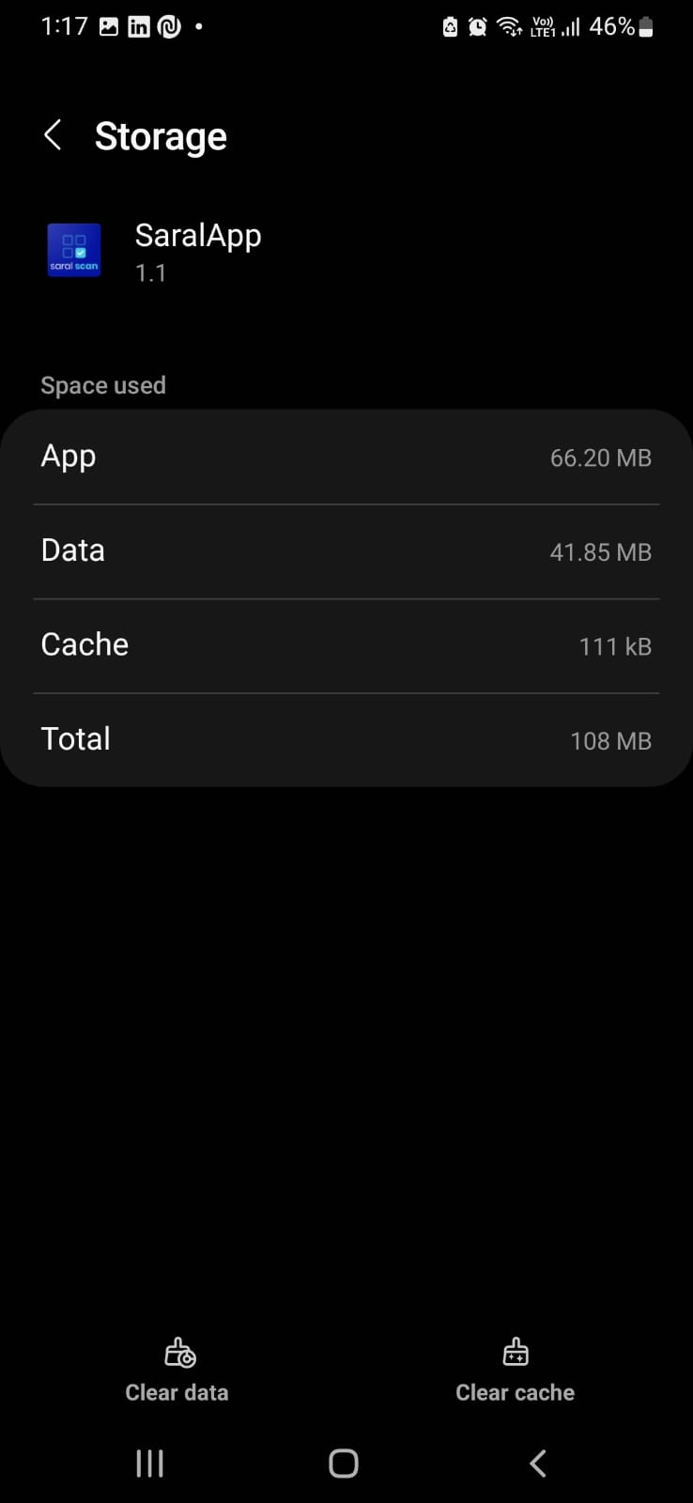
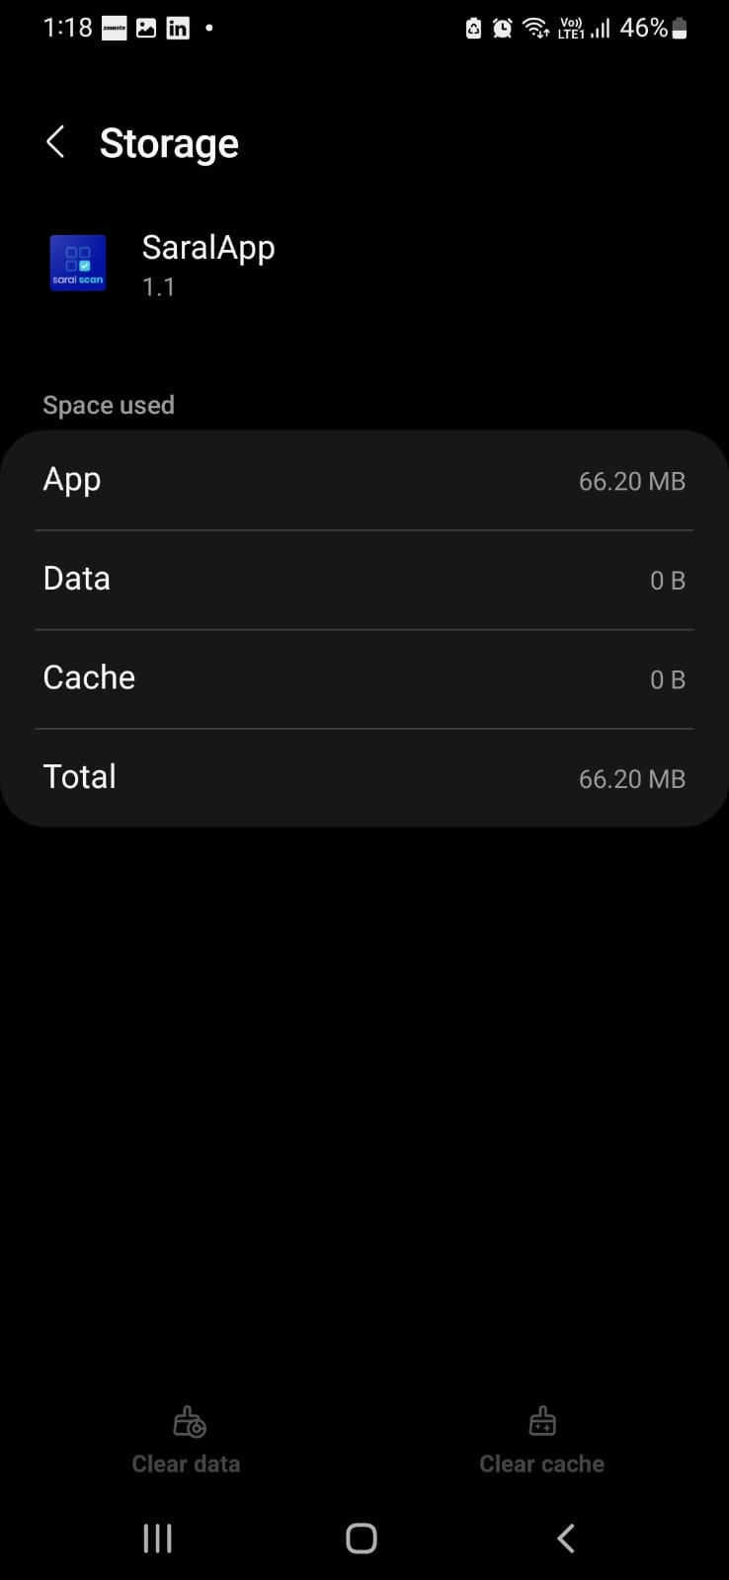
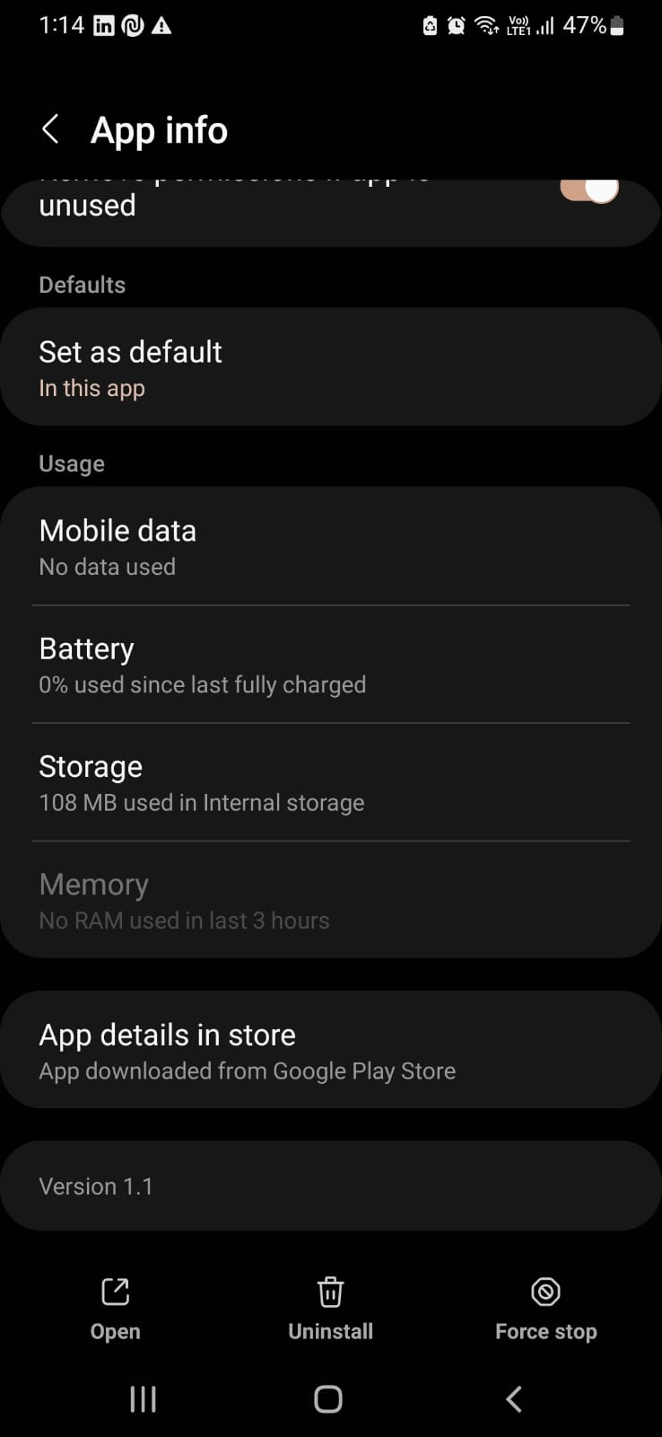

When arm64-v8a APK installed on M31 Samsug it occupies -> App Size=85.60 MB , Data=213 KB, Cache 135 KB

